Sheet1
NO | NAME | RATE | IMAGE
1 | 2 IN ONE MASTRUBATION | 950 | 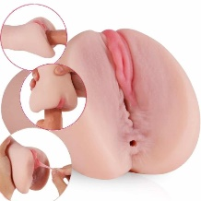
2 | 3 IN ONE MASTRUBATION | 1050
3 | POCKET PUSSY MASTRUBATION | 480
4 | MINI MEN CUP MASTRUBATION | 460 | 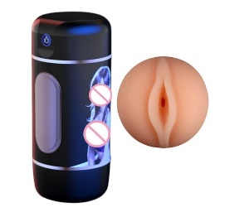
5 | FLESH LIGHT MASTRUBATION | 850 | 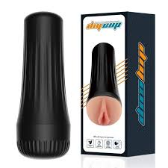
6 | SILICONE HALF BODY DOLL | 4200 | 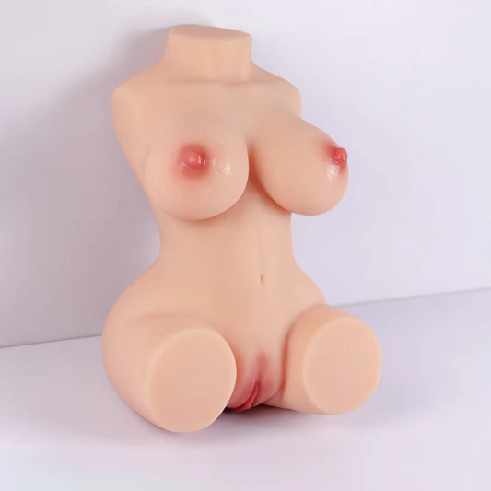
7 | AUTOMATIC SUCTION PUSYY MASTRUBATION | 4280
8 | MEN MASTRUBATION STOKER WITH VAIBRATION | 1750 | 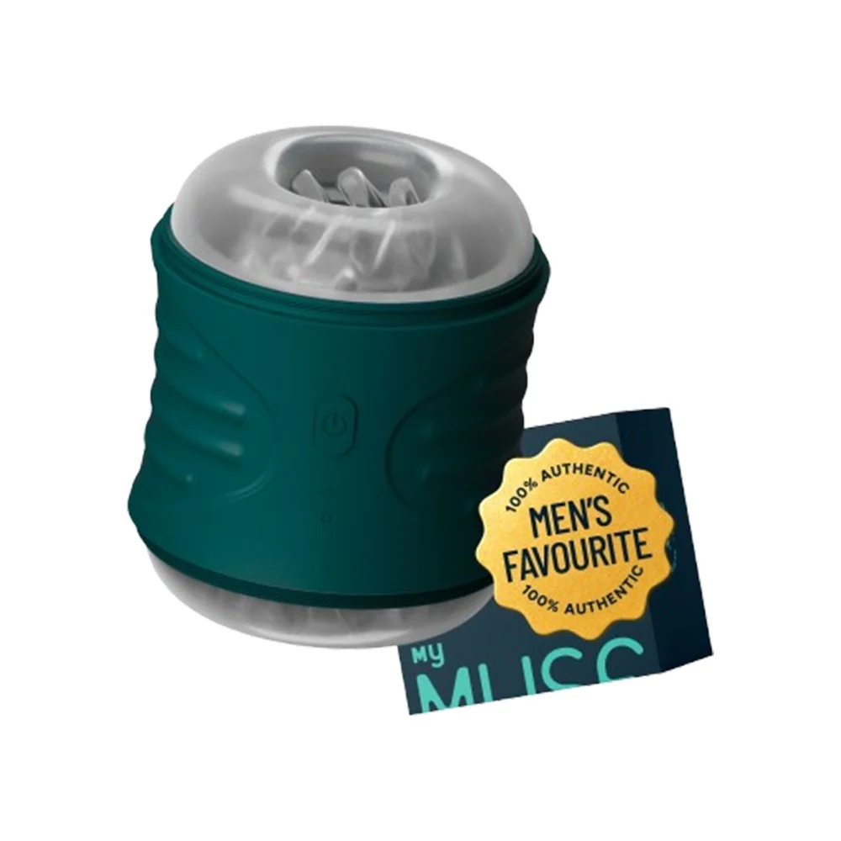
9 | MENS SELICONE STOKER | 650 | 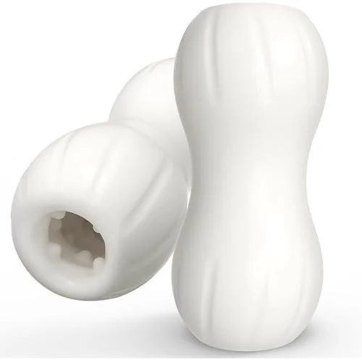
10 | MEN PENIS VIBRATOR APP CONTROL | 1050 | 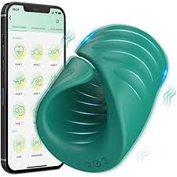
11 | BLUE MENS STOKER | 300
12 | WOMEN VIBRATOR | 550 | 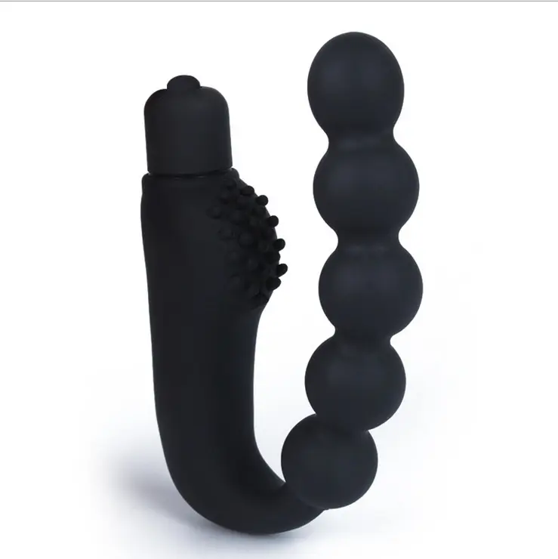
13 | SILICONE BUTT PLAG WITH REMOT CONTROL | 750 | 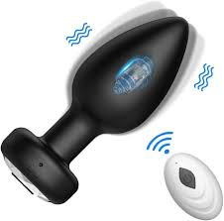
14 | FINGER VIBRATOR | 1285
15 | BIG WEND MASSAGER VIBRATOR FRO WOMEN | 1120 | 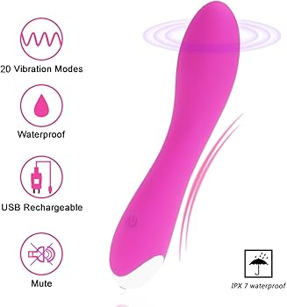
16 | SILICONE BUTT PLAG 3 SIZE | 1250 | 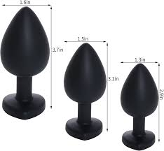
17 | STICK VIBRATOR | 350 | 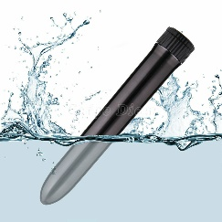
18 | ROSE SUCKING VIBRATOR | 850 | 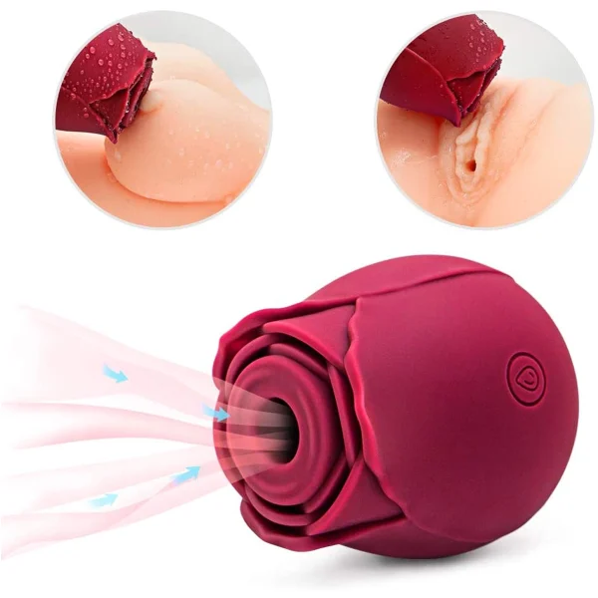
19 | ROSE TOUNGE VIBRATOR | 870 | 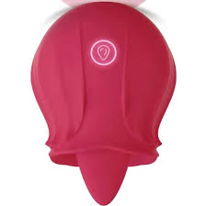
20 | APP CONTROL FLAMINGO VIBRATOR | 750 | 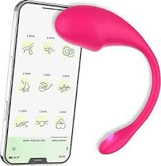
21 | SHERRY VIBRATOR | 850 | 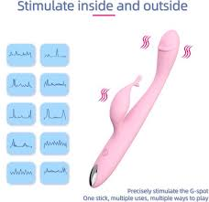
22 | BULLET VIBRATOR INBULT BETTERY | 680 | 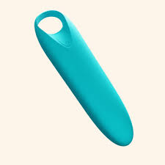
23 | UP DOWN DILDO WITH REMOTE | 2200
24 | PENIS AND CHASTI RING | 215 | 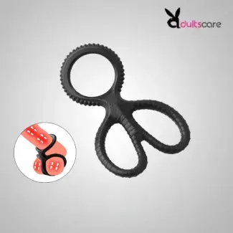
25 | G SPOT VIBRATOR WITH SUCTION | 1550 | 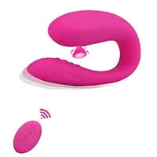
26 | NIPPAL SUCTION VIBRATOR | 775 | 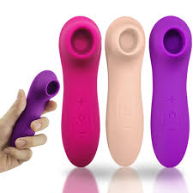
27 | CROW VIBRATOR | 750 | 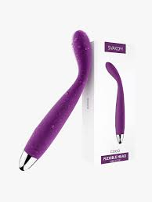
28 | SUCTION UP DOWN VIBRATOR | 1470 | 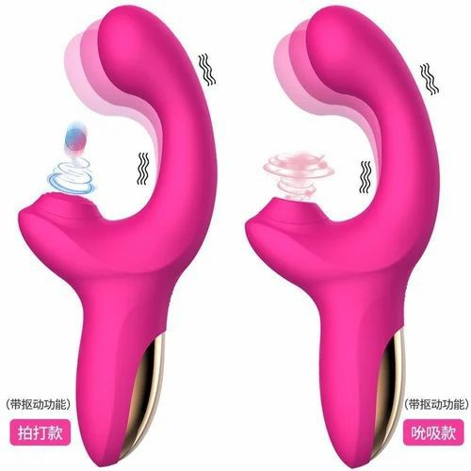
29 | GSPOT VIBRATOR LONG | 780 | 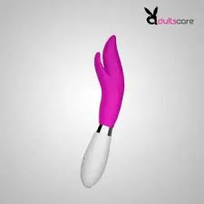
30 | BULLET VIBRATOR | 350 | 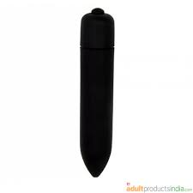
31 | BOLL VIBRATOR | 780 | 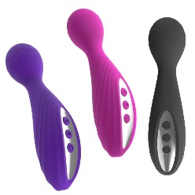
32 | BELOVED VIBRATOR | 920 | 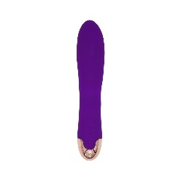
33 | NEW SHAP RABIIT | 750 | 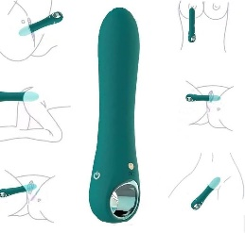
34 | COCK RING | 275 | 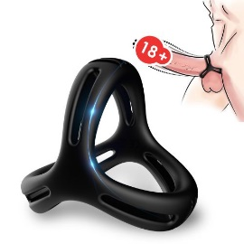
35 | WONDER PENIS SLEEV | 250 | 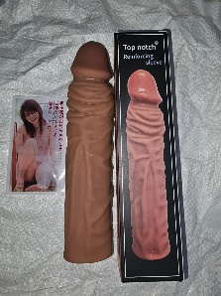
36 | VIBRATING PENIS CONDOM | 620 | 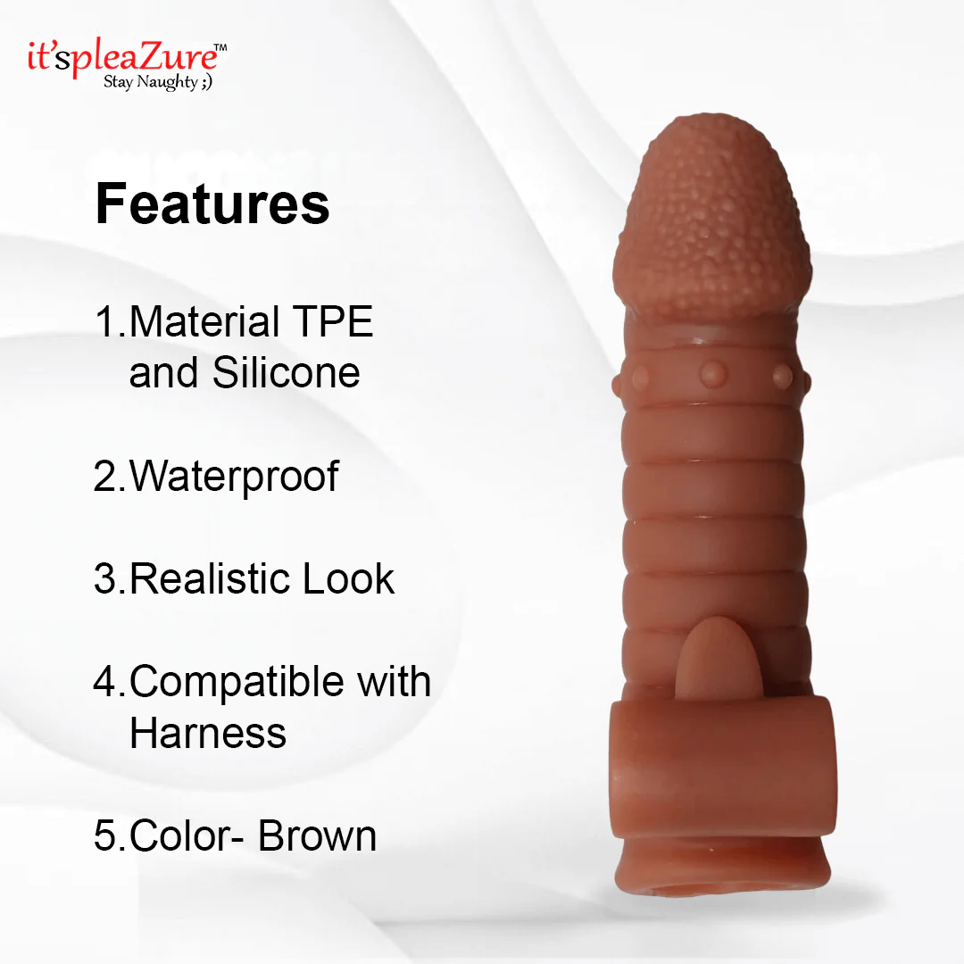
37 | VIBRATING PENIS CONDOM 2 | 620
38 | RED 3 IN ONE WOMEN TOUNGE VIBRATOR | 1750 | 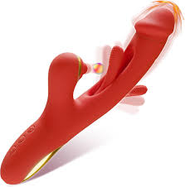
39 | 3 IN ONE VIBRATOR FOR WOMEN | 1780
40 | ROSE PENIS RING WITH REMOTE | 950 | 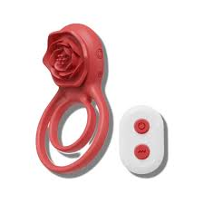
41 | NOTCH DILDO WITH REMOT | 2650 | 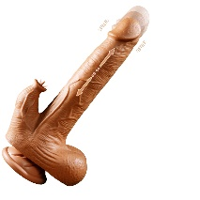
42 | STEEL BUTT PLAG | 280 | 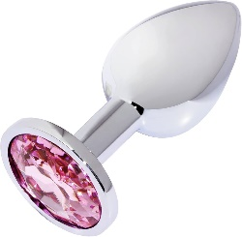
43 | BDSM KIT 9 PES (HONEYMOON KIT) | 1050 | 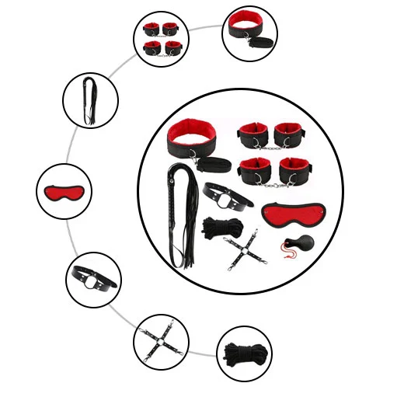
44 | 7 INCH REAL SKIN DILDO | 980 | 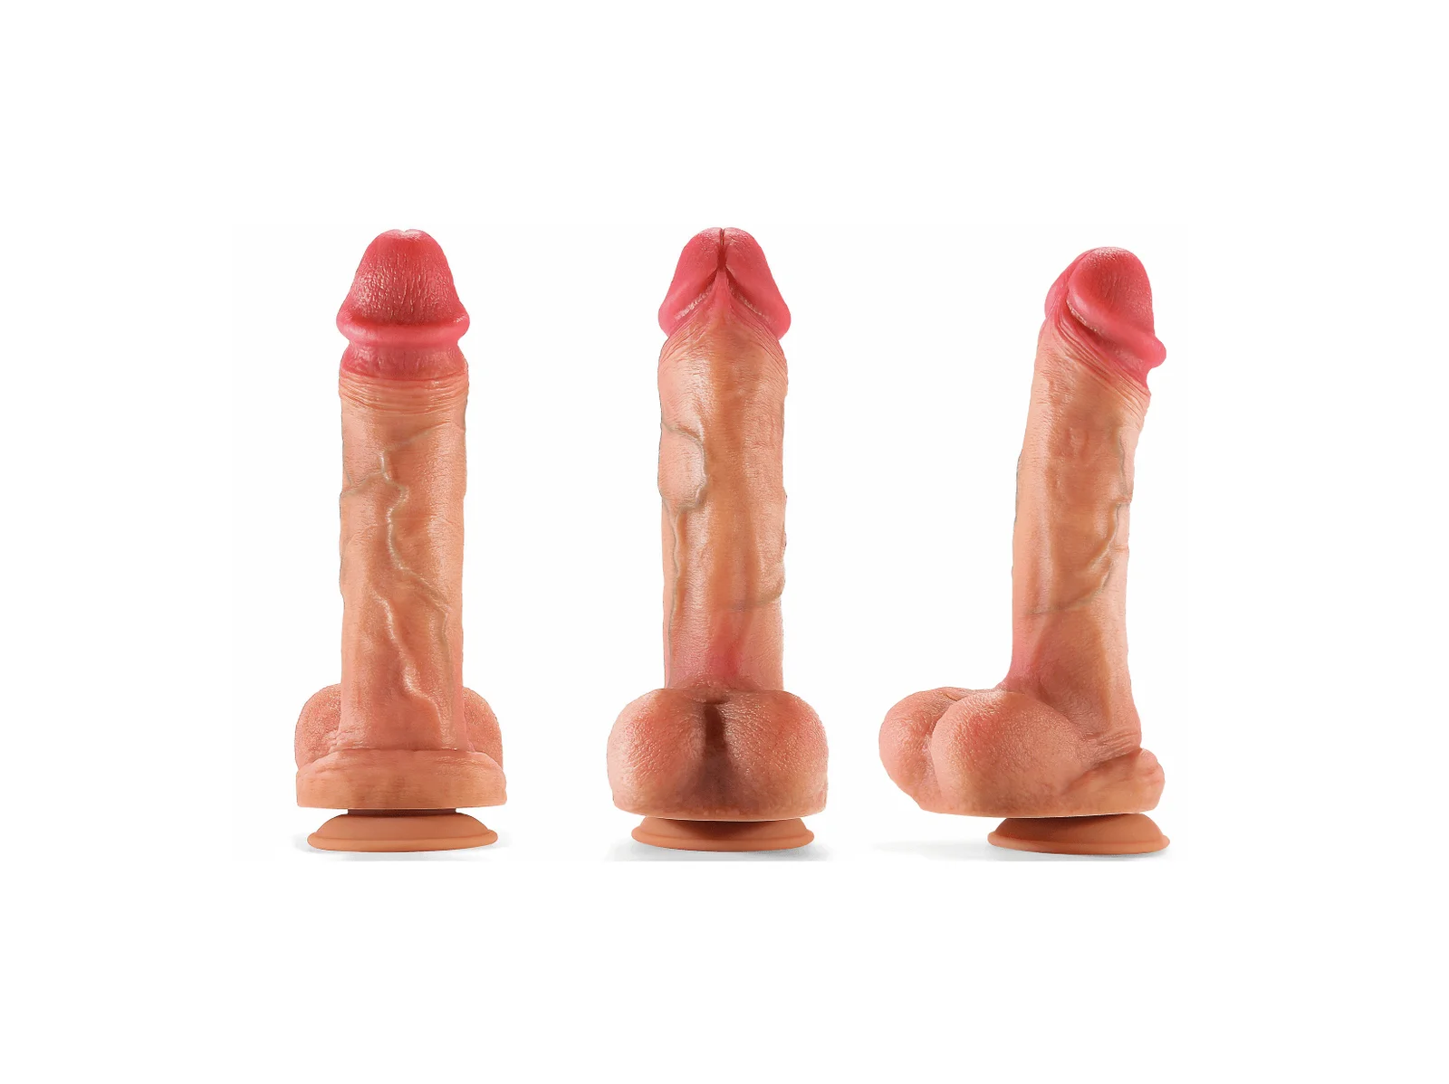
45 | BUTT PLAG WITH TAIL | 650 | 
46 | PENIS PUMP | 850 | 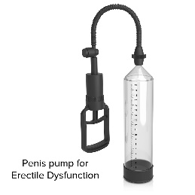
47 | DILDO MACHINE | 4000
48 | ANAL VIBRATOR STICK | 600 | 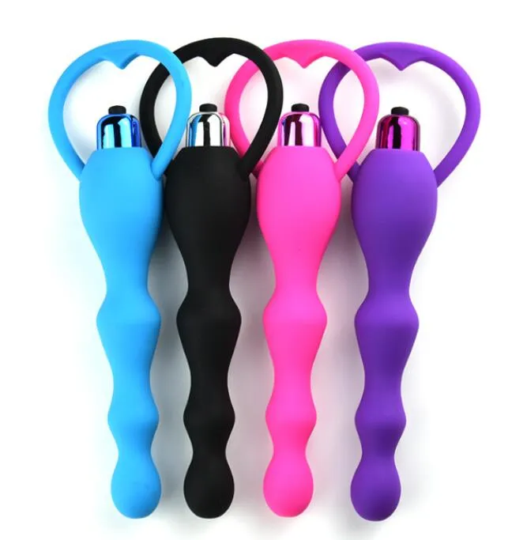
49 | PENIS RING INBULT SEX TIME | 850 | 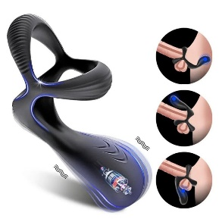
50 | RABIIT VIBRATOR PINK | 850

